Example Budget For Projects
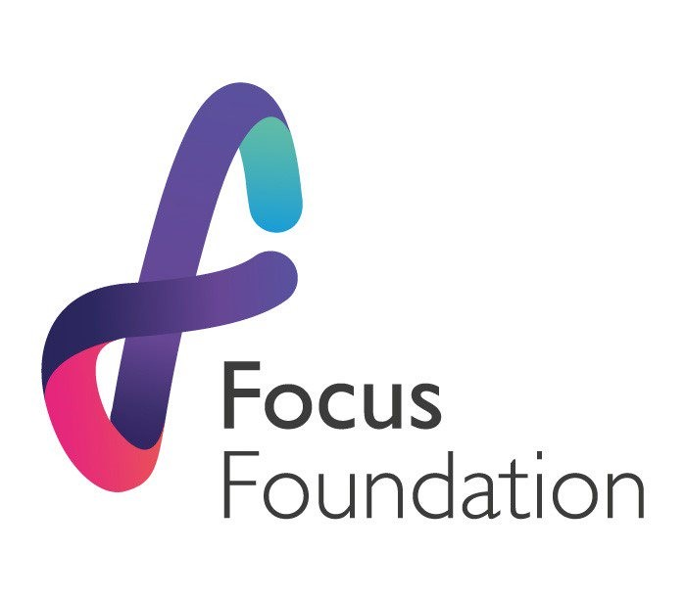

Grant Application for (charity name) to run (short project description - eg. a 1 hour, lego therapy play session for 10 children, over 40 weeks.)

Employee Costs
Title. | Annual salary. | Extra Staff costs, approx 18% - (Pension, N.I. etc). | Total Salary cost. | % Time allocation for this project. | Costs attributable to this Project.
Admin Assistant | £24,000.00 | £4,320.00 | £28,320.00 | 5% | £1,416.00
Project Manager | £37,000.00 | £6,660.00 | £43,660.00 | 5% | £2,183.00
Example | £00,000.00 | £00,000.00 | £00,000.00 | 0% | £0,000.00
Total |  |  |  |  | £3,599.00

Direct Project Costs
Item. | Unit Cost. | No. of Units. | Details. | Project Cost.
Hire of room | £23.00 | 40 | 1 x session per week x 40 weeks | £920.00
Hire of safety mats | £12.50 | 40 | 1 x session per week x 40 weeks | £500.00
Support workers | £14.00 | 40 | 2 x support workers @ £14 per hour x 40 hours | £1,120.00
Volunteers costs | £6.00 | 3 | Volunteer Bus fare = £6 x 3 volunteers x 40 week | £720.00
Equipment/Resources | £40.00 | 10 | Creative props, sports equip etc £50 per attendee | £400.00
Example | £00.00 | 0 | Space for projected cost details, as seen in the examples above. | £00.00
Total |  |  |  | £3,660.00

Total Project Costs |  |  |  | £7,259.00
10% contribution to the costs of the project |  |  |  | £725.90
We recognise that we don’t cover core costs however, we are happy to contribute an additional 10% to the project, to support the wider charity costs.

Total Grant Request |  |  |  | £7,984.90

